Sprint 2 Burdown
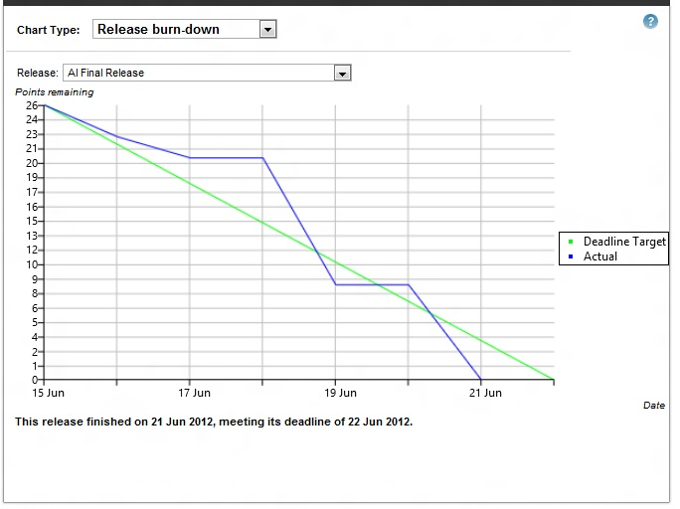
Sprint 2 Burndown Chart

